Forecasts - All
PROYECCIONES DE INFLACIÓN (DE AQUÍ A 12 MESES) - LATINOAMERICA Y EL CARIBE
America Del Sur (excl. Argentina y Venezuela)
 | BOL | BRA | CHL | COL | ECU | PER | PRY | URY
2023-10-01 |  | 5.46 |  |  |  |  | 3.67
2023-11-01 | 1.96 | 5.62 | 4.59 | 10.06 | 1.92 | 4.22 | 3.56 | 4.26
2023-12-01 | 2.04 | 5.65 | 4.47 | 9.5 | 1.97 | 4.02 | 3.62 | 3.88
2024-01-01 | 2.12 | 5.65 | 4.24 | 8.91 | 1.95 | 3.88 | 3.49 | 3.73
2024-02-01 | 2.37 | 5.62 | 4.1 | 8.46 | 1.98 | 3.8 | 3.61 | 3.42
2024-03-01 | 2.41 | 6.04 | 3.93 | 8.19 | 2.02 | 3.73 | 3.65 | 3.06
2024-04-01 | 2.37 | 6.37 | 3.83 | 8.17 | 2.02 | 3.75 | 3.91 | 2.65
2024-05-01 | 2.21 | 6.66 | 3.78 | 8.28 | 2.02 | 3.68 | 4.03 | 2.6
2024-06-01 | 2.23 | 7.47 | 3.71 | 8.19 | 2.02 | 3.95 | 4.38 | 2.86
2024-07-01 | 2.23 | 6.74 | 3.68 | 8.12 | 2.13 | 4.13 | 4.61 | 3.12
2024-08-01 | 2.25 | 6.36 | 3.67 | 7.97 | 2.23 | 4.19 | 4.94 | 3.14
2024-09-01 | 2.29 | 6.14 | 3.51 | 7.96 | 2.24 | 4.37 | 4.57 | 2.8
2024-10-01 | 2.45 |  | 3.36 | 7.98 | 2.25 | 4.72 |  | 2.39

APPENDIX: TABLA DE PROYECCIONES
Fecha | ARG | BOL | BRA | CHL | COL | ECU | PER | PRY | URY | VEN
2023-10-01 | 146.58 |  | 5.46 |  |  |  |  | 3.67 |  | 444.35
2023-11-01 | 155.08 | 1.96 | 5.62 | 4.59 | 10.06 | 1.92 | 4.22 | 3.56 | 4.26 | 472.97
2023-12-01 | 164.73 | 2.04 | 5.65 | 4.47 | 9.5 | 1.97 | 4.02 | 3.62 | 3.88 | 488.52
2024-01-01 | 172.93 | 2.12 | 5.65 | 4.24 | 8.91 | 1.95 | 3.88 | 3.49 | 3.73 | 496.7
2024-02-01 | 180.61 | 2.37 | 5.62 | 4.1 | 8.46 | 1.98 | 3.8 | 3.61 | 3.42 | 500.94
2024-03-01 | 188.38 | 2.41 | 6.04 | 3.93 | 8.19 | 2.02 | 3.73 | 3.65 | 3.06 | 503.12
2024-04-01 | 194.01 | 2.37 | 6.37 | 3.83 | 8.17 | 2.02 | 3.75 | 3.91 | 2.65 | 504.23
2024-05-01 | 198.98 | 2.21 | 6.66 | 3.78 | 8.28 | 2.02 | 3.68 | 4.03 | 2.6 | 504.79
2024-06-01 | 207.93 | 2.23 | 7.47 | 3.71 | 8.19 | 2.02 | 3.95 | 4.38 | 2.86 | 505.08
2024-07-01 | 217.14 | 2.23 | 6.74 | 3.68 | 8.12 | 2.13 | 4.13 | 4.61 | 3.12 | 505.23
2024-08-01 | 216.43 | 2.25 | 6.36 | 3.67 | 7.97 | 2.23 | 4.19 | 4.94 | 3.14 | 505.3
2024-09-01 | 215.59 | 2.29 | 6.14 | 3.51 | 7.96 | 2.24 | 4.37 | 4.57 | 2.8 | 505.34
2024-10-01 |  | 2.45 |  | 3.36 | 7.98 | 2.25 | 4.72 |  | 2.39

ARG
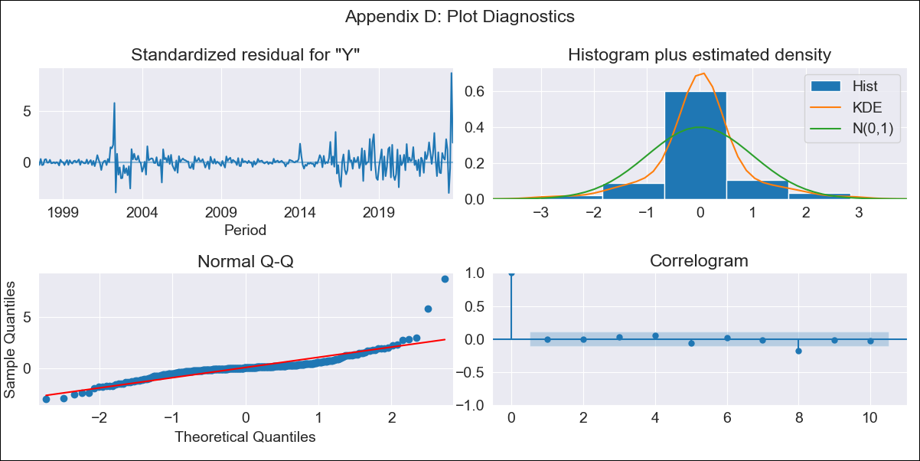
ARG - Inflation - Next 12 months forecast as of: 2023-09-01

Model | ARIMA - [(0, 2, 2), (0, 0, 1, 12)]
Training Data | 1996-01-01 to 2022-10-01
Test Data | 2022-10-01 to 2023-09-01

Date | Inflation Change YoY % | Lower Bound - 95% Confidence Interval | Upper Bound - 95% Confidence Interval
2023-10-01 | 146.58 | 144.06 | 149.09
2023-11-01 | 155.08 | 149.95 | 160.21
2023-12-01 | 164.73 | 157.02 | 172.44
2024-01-01 | 172.93 | 162.5 | 183.37
2024-02-01 | 180.61 | 167.26 | 193.95
2024-03-01 | 188.38 | 171.94 | 204.81
2024-04-01 | 194.01 | 174.3 | 213.72
2024-05-01 | 198.98 | 175.82 | 222.14
2024-06-01 | 207.93 | 181.15 | 234.71
2024-07-01 | 217.14 | 186.57 | 247.7
2024-08-01 | 216.43 | 181.93 | 250.93
2024-09-01 | 215.59 | 177 | 254.18

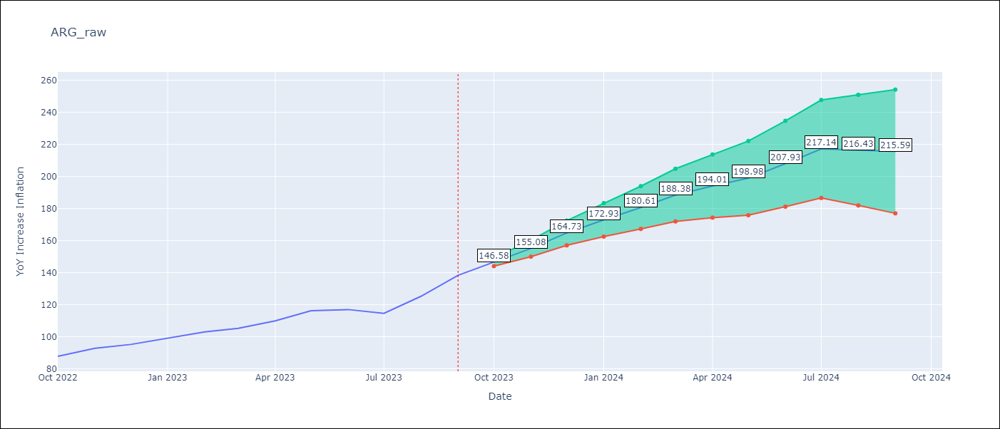

Test Metrics
RMSE | 9.73
Naive RMSE | 6.17
MAPE | 4.71%

Test Predictions
Date | Predicted | Actual
2022-10-01 | 86.82 | 87.8
2022-11-01 | 92.28 | 92.82
2022-12-01 | 96.52 | 95.19
2023-01-01 | 100.45 | 99.01
2023-02-01 | 103.9 | 103.06
2023-03-01 | 105.47 | 105.25
2023-04-01 | 106.9 | 109.89
2023-05-01 | 109.24 | 116.26
2023-06-01 | 110.89 | 116.97
2023-07-01 | 109.7 | 114.59
2023-08-01 | 109.16 | 125.24
2023-09-01 | 110.86 | 138.3

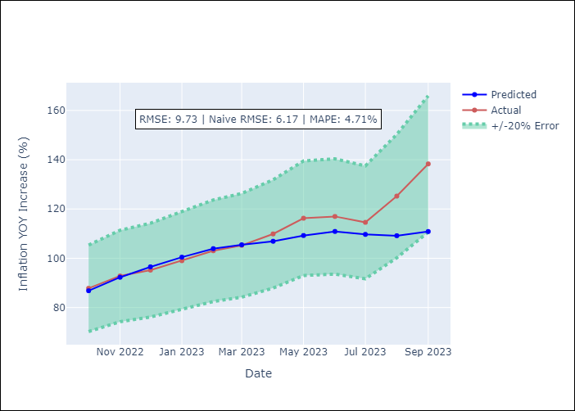

Appendix A: Model Summary
Model | ARIMA(0, 2, 2)x(0, 0, [1], 12)
Sample | 01-01-1996- 09-01-2023
No. of Observations | 333
Terms | P-value (Statistical significance)
ma.L1 | 0.000
ma.L2 | 0.000
ma.S.L12 | 0.000
sigma2 | 0.000
Assumptions | P-value | Interpretation
Ljung-Box (L1) | 0.91
Heteroskedasticity | 0.00
Jarque-Bera | 0.00
Skew | 2.55
Kurtosis | 23.89

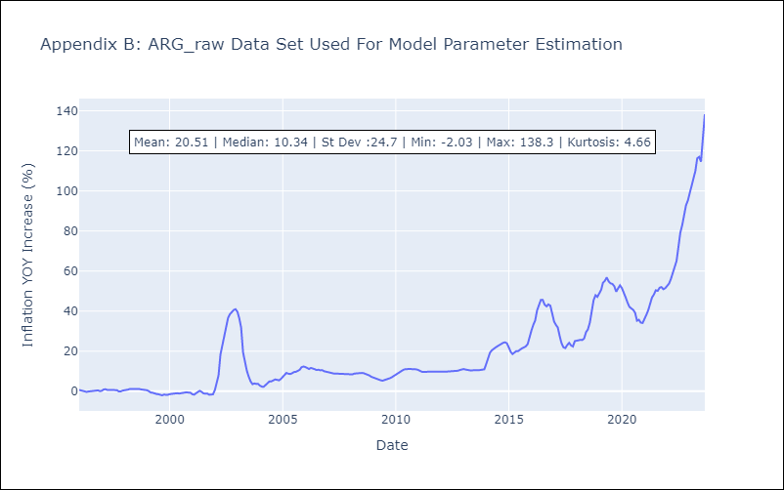

Appendix C: Residuals Analysis
Mean | 0.07
White Noise? | Yes
Normal? | No

BOL
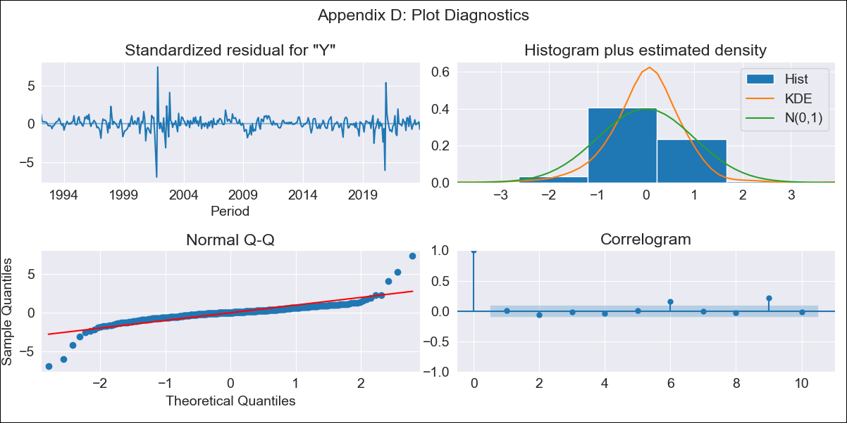
BOL - Inflation - Next 12 months forecast as of: 2023-10-01

Model | ARIMA - [(1, 0, 1), (2, 0, 0, 12)]
Training Data | 1990-01-01 to 2022-11-01
Test Data | 2022-11-01 to 2023-10-01

Date | Inflation Change YoY % | Lower Bound - 95% Confidence Interval | Upper Bound - 95% Confidence Interval
2023-11-01 | 1.96 | 0.86 | 3.52
2023-12-01 | 2.04 | 0.63 | 4.26
2024-01-01 | 2.12 | 0.48 | 4.92
2024-02-01 | 2.37 | 0.46 | 5.85
2024-03-01 | 2.41 | 0.36 | 6.37
2024-04-01 | 2.37 | 0.23 | 6.71
2024-05-01 | 2.21 | 0.08 | 6.78
2024-06-01 | 2.23 | 0.02 | 7.17
2024-07-01 | 2.23 | -0.04 | 7.5
2024-08-01 | 2.25 | -0.09 | 7.84
2024-09-01 | 2.29 | -0.12 | 8.22
2024-10-01 | 2.45 | -0.11 | 8.88

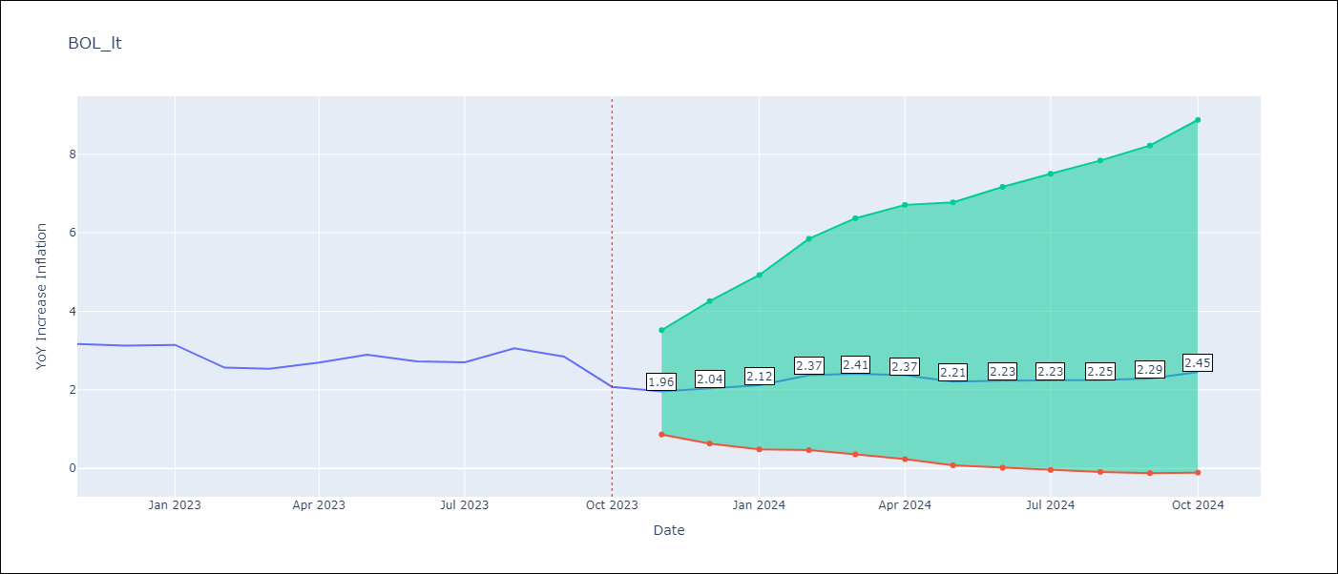

Test Metrics
RMSE | 0.36
Naive RMSE | 0.33
MAPE | 9.95%

Test Predictions
Date | Predicted | Actual
2022-11-01 | 3.66 | 3.17
2022-12-01 | 2.49 | 3.12
2023-01-01 | 2.5 | 3.14
2023-02-01 | 2.52 | 2.57
2023-03-01 | 2.6 | 2.53
2023-04-01 | 2.77 | 2.7
2023-05-01 | 2.55 | 2.9
2023-06-01 | 2.57 | 2.73
2023-07-01 | 2.5 | 2.7
2023-08-01 | 2.81 | 3.06
2023-09-01 | 2.37 | 2.85
2023-10-01 | 2.2 | 2.08

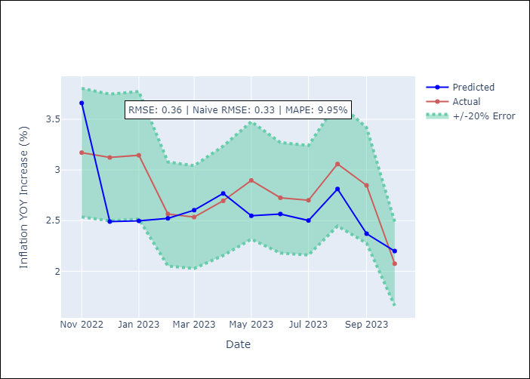

Appendix A: Model Summary
Model | ARIMA(1, 0, 1)x(2, 0, [], 12)
Sample | 01-01-1990- 10-01-2023
No. of Observations | 406
Terms | P-value (Statistical significance)
const | 0.477
ar.L1 | 0.000
ma.L1 | 0.000
ar.S.L12 | 0.000
ar.S.L24 | 0.011
sigma2 | 0.000
Assumptions | P-value
Ljung-Box (L1) | 0.89
Heteroskedasticity | 0.01
Jarque-Bera | 0.00
Skew | -0.17
Kurtosis | 22.27

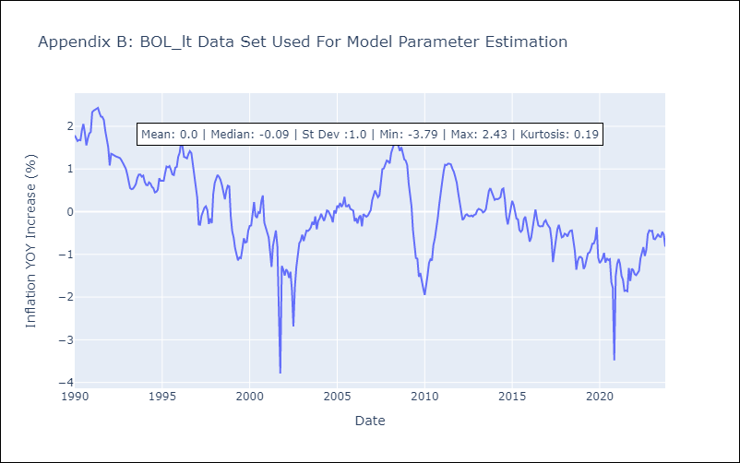

Appendix C: Residuals Analysis
Mean | 0.01
White Noise? | No - Correlation at Lags [ 9 10 11 12]
Normal? | No

BRA
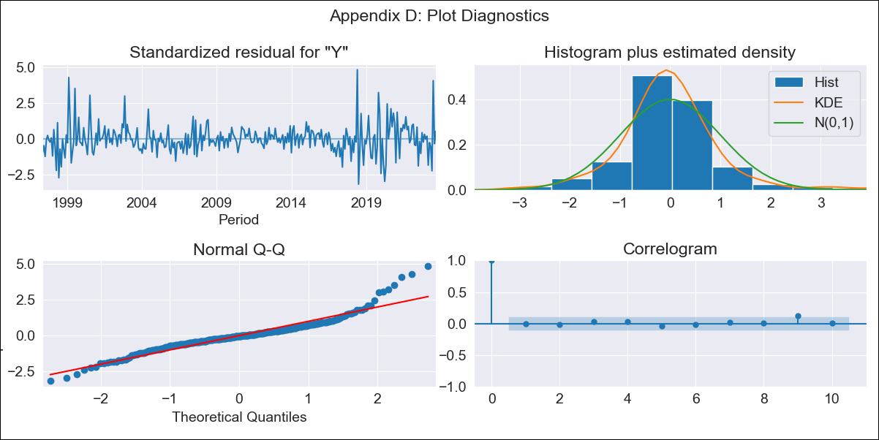
BRA - Inflation - Next 12 months forecast as of: 2023-09-01

Model | ARIMA - [(1, 1, 2), (0, 0, 1, 12)]
Training Data | 1996-01-01 to 2022-10-01
Test Data | 2022-10-01 to 2023-09-01

Date | Inflation Change YoY % | Lower Bound - 95% Confidence Interval | Upper Bound - 95% Confidence Interval
2023-10-01 | 5.46 | 4.77 | 6.26
2023-11-01 | 5.62 | 4.36 | 7.26
2023-12-01 | 5.65 | 3.97 | 8.06
2024-01-01 | 5.65 | 3.65 | 8.82
2024-02-01 | 5.62 | 3.37 | 9.49
2024-03-01 | 6.04 | 3.38 | 10.99
2024-04-01 | 6.37 | 3.35 | 12.43
2024-05-01 | 6.66 | 3.3 | 13.86
2024-06-01 | 7.47 | 3.51 | 16.67
2024-07-01 | 6.74 | 3.02 | 15.73
2024-08-01 | 6.36 | 2.71 | 15.53
2024-09-01 | 6.14 | 2.5 | 15.69

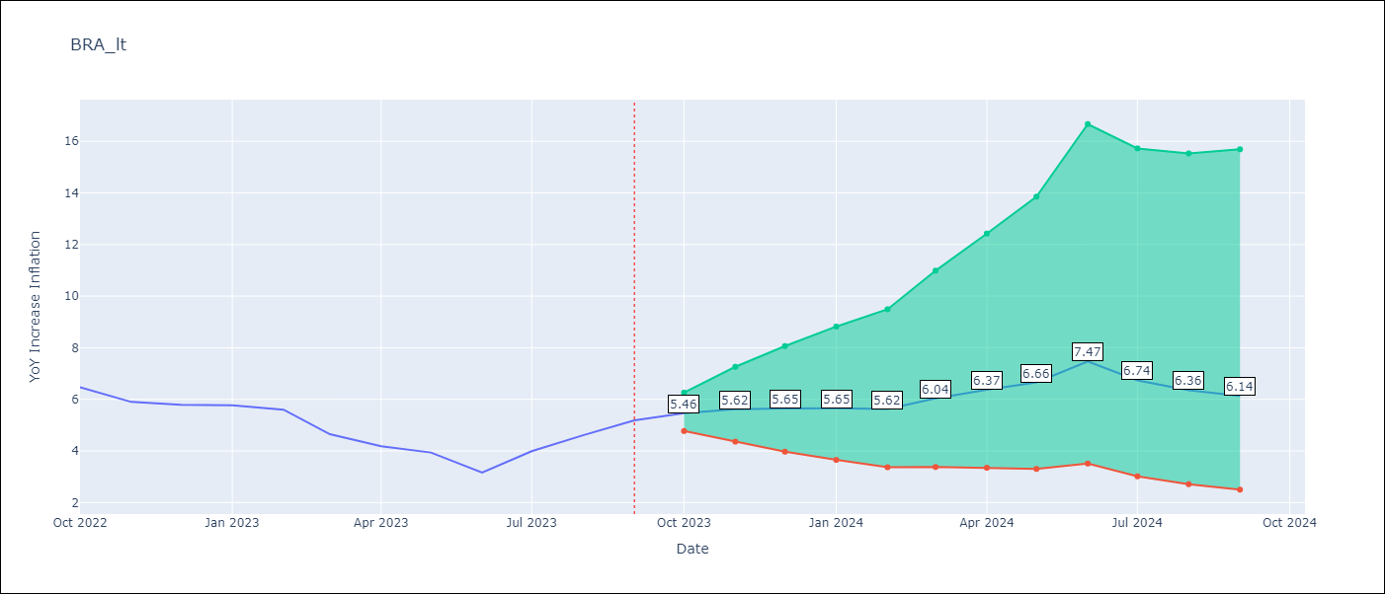

Test Metrics
RMSE | 0.67
Naive RMSE | 0.57
MAPE | 13.09%

Test Predictions
Date | Predicted | Actual
2022-10-01 | 6.27 | 6.47
2022-11-01 | 5.73 | 5.9
2022-12-01 | 5.54 | 5.79
2023-01-01 | 5.44 | 5.77
2023-02-01 | 5.2 | 5.6
2023-03-01 | 4.88 | 4.65
2023-04-01 | 4.77 | 4.18
2023-05-01 | 4.81 | 3.94
2023-06-01 | 4.7 | 3.16
2023-07-01 | 4.98 | 3.99
2023-08-01 | 5.2 | 4.61
2023-09-01 | 5.52 | 5.19

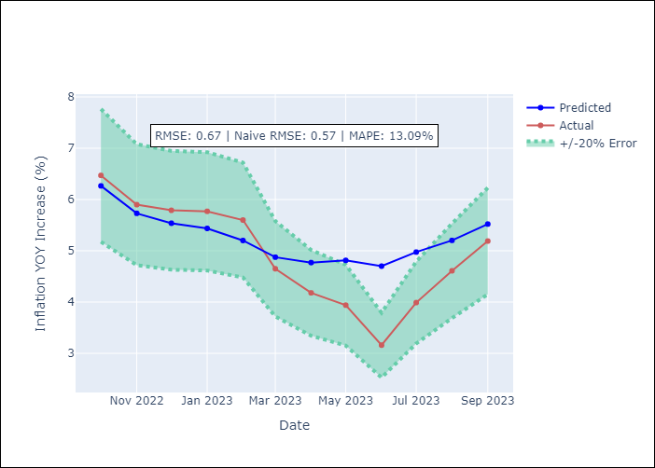

Appendix A: Model Summary
Model | ARIMA(1, 1, 2)x(0, 0, [1], 12)
Sample | 01-01-1996- 09-01-2023
No. of Observations | 333
Terms | P-value (Statistical significance)
ar.L1 | 0.003
ma.L1 | 0.787
ma.L2 | 0.376
ma.S.L12 | 0.000
sigma2 | 0.000
Assumptions | P-value | Interpretation
Ljung-Box (L1) | 0.89
Heteroskedasticity | 0.04
Jarque-Bera | 0.00
Skew | 0.90
Kurtosis | 7.23

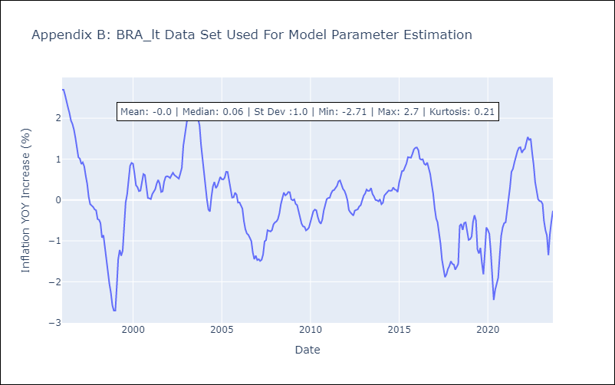

Appendix C: Residuals Analysis
Mean | 0.0
White Noise? | No - Correlation at Lags [1]
Normal? | No

CHL
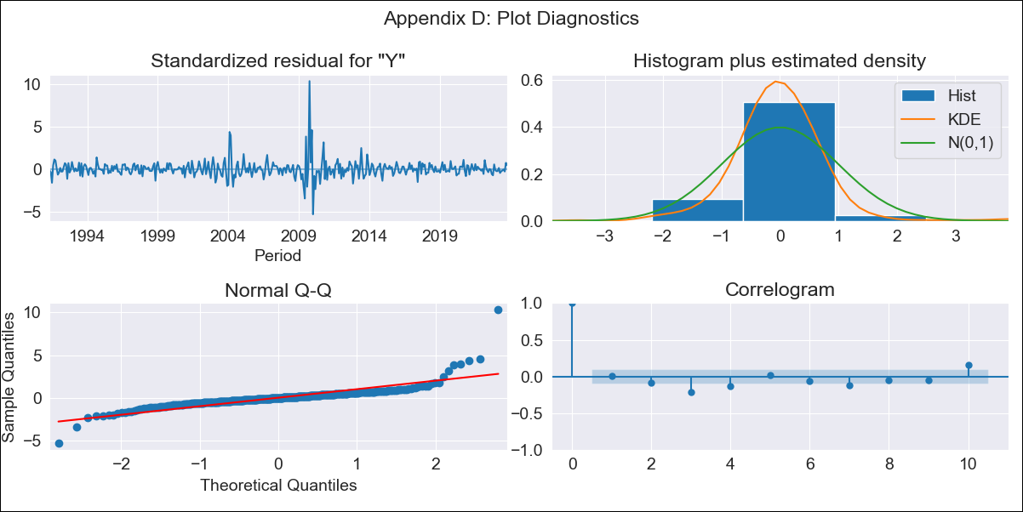
CHL - Inflation - Next 12 months forecast as of: 2023-10-01

Model | ARIMA - [(2, 2, 1), (0, 0, 1, 12)]
Training Data | 1990-01-01 to 2022-11-01
Test Data | 2022-11-01 to 2023-10-01

Date | Inflation Change YoY % | Lower Bound - 95% Confidence Interval | Upper Bound - 95% Confidence Interval
2023-11-01 | 4.59 | 3.07 | 6.45
2023-12-01 | 4.47 | 2.07 | 7.96
2024-01-01 | 4.24 | 1.03 | 9.97
2024-02-01 | 4.1 | 0.17 | 13.1
2024-03-01 | 3.93 | -0.43 | 16.85
2024-04-01 | 3.83 | -0.93 | 22.25
2024-05-01 | 3.78 | -1.36 | 29.19
2024-06-01 | 3.71 | -1.77 | 38.06
2024-07-01 | 3.68 | -2.16 | 49.52
2024-08-01 | 3.67 | -2.52 | 64.01
2024-09-01 | 3.51 | -2.9 | 81.05
2024-10-01 | 3.36 | -3.27 | 101.85

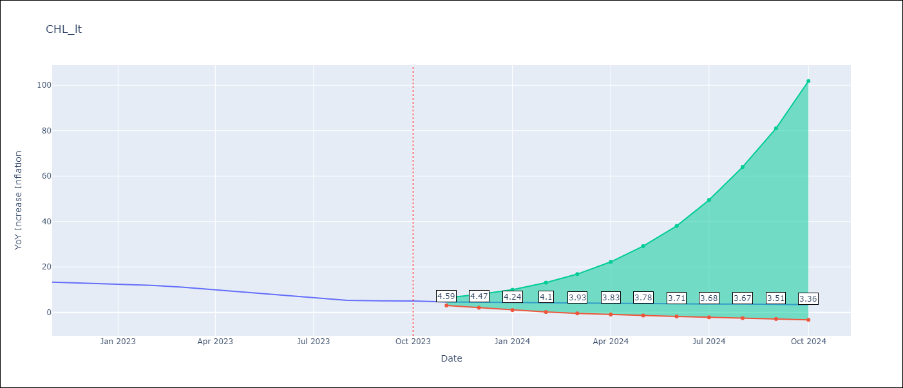

Test Metrics
RMSE | 1.5
Naive RMSE | 0.86
MAPE | 19.22%

Test Predictions
Date | Predicted | Actual
2022-11-01 | 12.43 | 13.3
2022-12-01 | 11.8 | 12.8
2023-01-01 | 11.32 | 12.3
2023-02-01 | 11.04 | 11.9
2023-03-01 | 10.24 | 11.1
2023-04-01 | 9.69 | 9.9
2023-05-01 | 9.15 | 8.7
2023-06-01 | 8.68 | 7.6
2023-07-01 | 8.25 | 6.5
2023-08-01 | 7.8 | 5.3
2023-09-01 | 7.58 | 5.1
2023-10-01 | 7.44 | 5

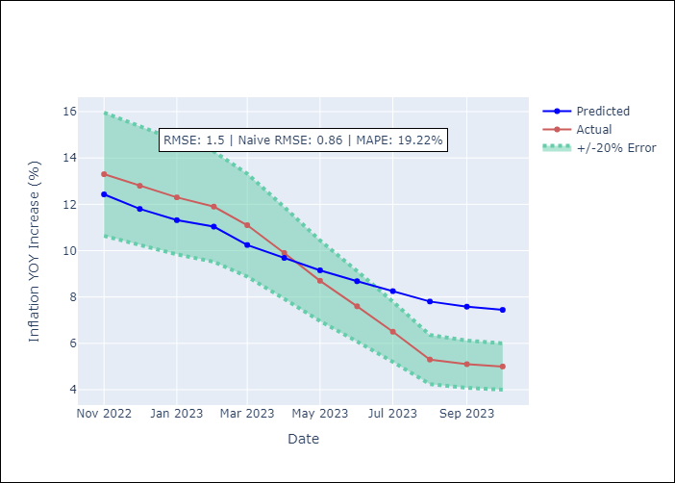

Appendix A: Model Summary
Model | ARIMA(2, 2, 1)x(0, 0, 1, 12)
Sample | 01-01-1990- 10-01-2023
No. of Observations | 406
Terms | P-value (Statistical significance)
ar.L1 | 0.000
ar.L2 | 0.000
ma.L1 | 0.000
ma.S.L12 | 0.000
sigma2 | 0.000
Assumptions | P-value | Interpretation
Ljung-Box (L1) | 0.91
Heteroskedasticity | 0.35
Jarque-Bera | 0.00
Skew | 3.01
Kurtosis | 35.75

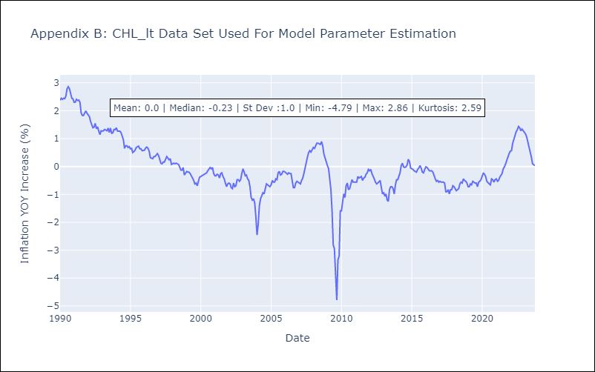

Appendix C: Residuals Analysis
Mean | -0.0
White Noise? | No - Correlation at Lags [ 2 3 4 5 6 7 8 9 10 11 12]
Normal? | No

COL
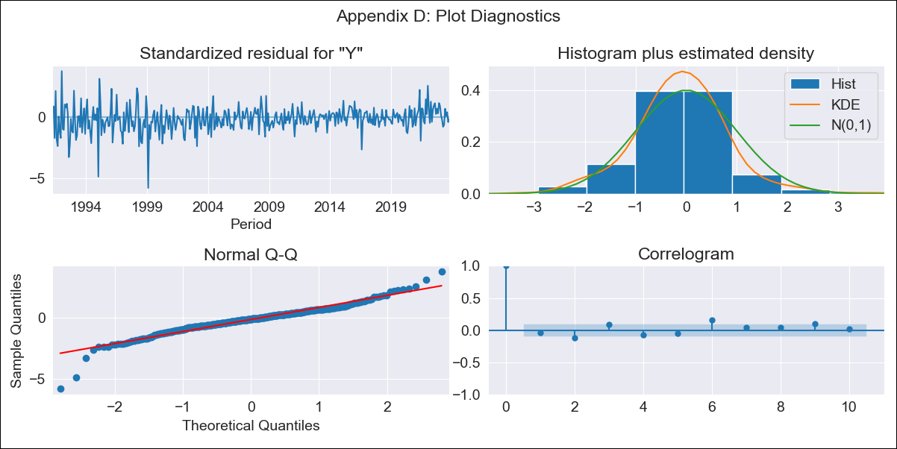
COL - Inflation - Next 12 months forecast as of: 2023-10-01

Model | ARIMA - [(2, 1, 1), (0, 0, 1, 12)]
Training Data | 1990-01-01 to 2022-11-01
Test Data | 2022-11-01 to 2023-10-01

Date | Inflation Change YoY % | Lower Bound - 95% Confidence Interval | Upper Bound - 95% Confidence Interval
2023-11-01 | 10.06 | 9.38 | 10.74
2023-12-01 | 9.5 | 8.2 | 10.8
2024-01-01 | 8.91 | 6.98 | 10.84
2024-02-01 | 8.46 | 5.92 | 11.01
2024-03-01 | 8.19 | 5.07 | 11.32
2024-04-01 | 8.17 | 4.49 | 11.84
2024-05-01 | 8.28 | 4.09 | 12.47
2024-06-01 | 8.19 | 3.51 | 12.87
2024-07-01 | 8.12 | 2.98 | 13.25
2024-08-01 | 7.97 | 2.4 | 13.53
2024-09-01 | 7.96 | 1.98 | 13.93
2024-10-01 | 7.98 | 1.61 | 14.34

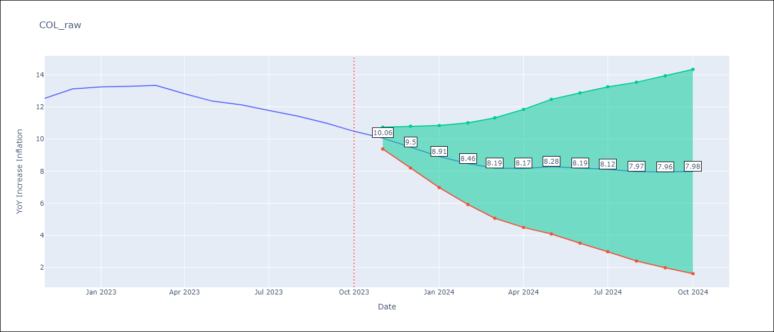

Test Metrics
RMSE | 1.73
Naive RMSE | 0.38
MAPE | 13.41%

Test Predictions
Date | Predicted | Actual
2022-11-01 | 12.41 | 12.53
2022-12-01 | 12.52 | 13.12
2023-01-01 | 12.01 | 13.25
2023-02-01 | 11.54 | 13.28
2023-03-01 | 11.31 | 13.34
2023-04-01 | 10.85 | 12.82
2023-05-01 | 10.63 | 12.36
2023-06-01 | 10.31 | 12.13
2023-07-01 | 9.88 | 11.78
2023-08-01 | 9.33 | 11.43
2023-09-01 | 8.89 | 10.99
2023-10-01 | 8.42 | 10.48

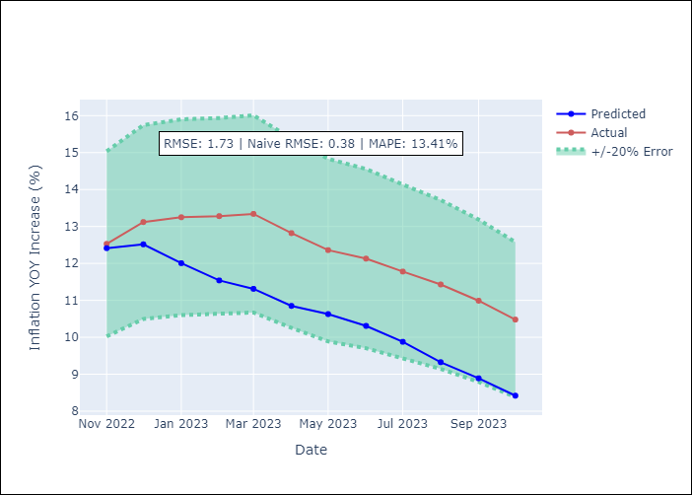

Appendix A: Model Summary
Model | ARIMA(2, 1, 1)x(0, 0, 1, 12)
Sample | 01-01-1990- 10-01-2023
No. of Observations | 406
Terms | P-value (Statistical significance)
ar.L1 | 0.288
ar.L2 | 0.757
ma.L1 | 0.887
ma.S.L12 | 0.000
sigma2 | 0.944
Assumptions | P-value | Interpretation
Ljung-Box (L1) | 0.46
Heteroskedasticity | 0.00
Jarque-Bera | 0.00
Skew | -0.57
Kurtosis | 7.40

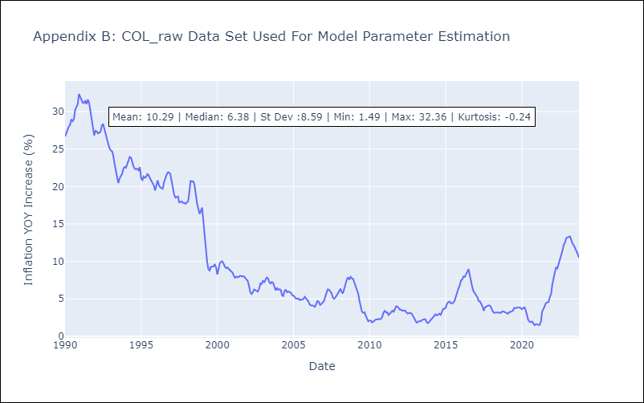

Appendix C: Residuals Analysis
Mean | 0.0
White Noise? | No - Correlation at Lags [ 1 2 3 4 5 6 7 8 9 10 11 12]
Normal? | No

ECU
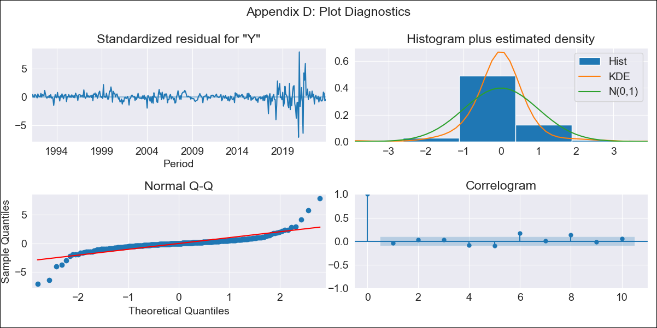
ECU - Inflation - Next 12 months forecast as of: 2023-10-01

Model | ARIMA - [(3, 0, 2), (0, 0, 1, 12)]
Training Data | 1990-01-01 to 2022-11-01
Test Data | 2022-11-01 to 2023-10-01

Date | Inflation Change YoY % | Lower Bound - 95% Confidence Interval | Upper Bound - 95% Confidence Interval
2023-11-01 | 1.92 | 0.98 | 3.26
2023-12-01 | 1.97 | 0.63 | 4.25
2024-01-01 | 1.95 | 0.39 | 4.99
2024-02-01 | 1.98 | 0.24 | 5.76
2024-03-01 | 2.02 | 0.12 | 6.54
2024-04-01 | 2.02 | 0.02 | 7.2
2024-05-01 | 2.02 | -0.07 | 7.82
2024-06-01 | 2.02 | -0.14 | 8.45
2024-07-01 | 2.13 | -0.18 | 9.35
2024-08-01 | 2.23 | -0.2 | 10.26
2024-09-01 | 2.24 | -0.25 | 10.87
2024-10-01 | 2.25 | -0.3 | 11.48

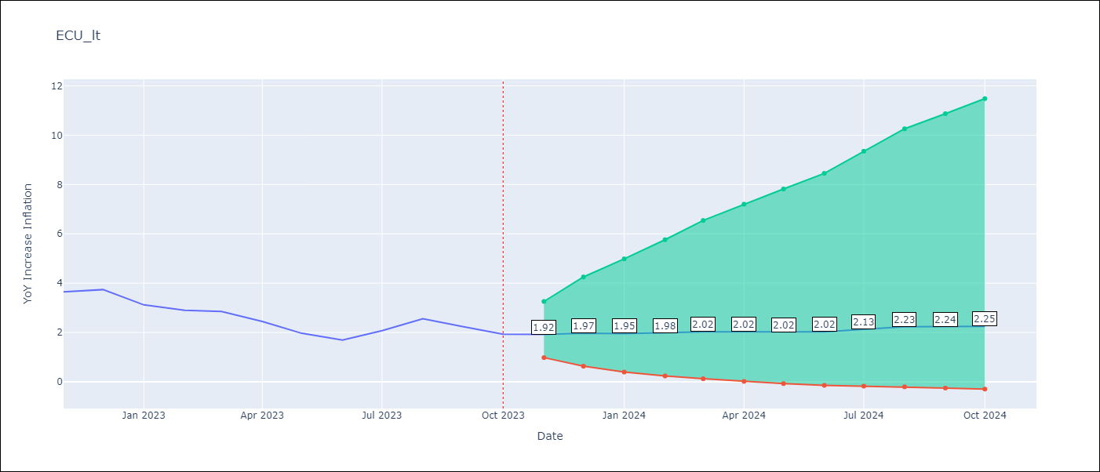

Test Metrics
RMSE | 2.12
Naive RMSE | 0.37
MAPE | 87.07%

Test Predictions
Date | Predicted | Actual
2022-11-01 | 4.06 | 3.64
2022-12-01 | 4.14 | 3.74
2023-01-01 | 4.28 | 3.12
2023-02-01 | 4.35 | 2.9
2023-03-01 | 4.4 | 2.85
2023-04-01 | 4.52 | 2.44
2023-05-01 | 4.61 | 1.97
2023-06-01 | 4.72 | 1.69
2023-07-01 | 4.71 | 2.07
2023-08-01 | 4.75 | 2.56
2023-09-01 | 4.84 | 2.23
2023-10-01 | 4.87 | 1.93

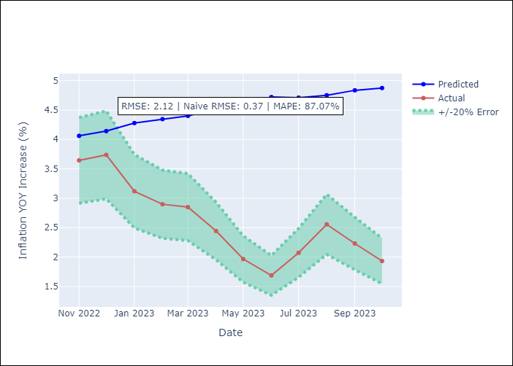

Appendix A: Model Summary
Model | ARIMA(3, 0, 2)x(0, 0, [1], 12)
Sample | 01-01-1990- 10-01-2023
No. of Observations | 406
Terms | P-value (Statistical significance)
const | 0.889
ar.L1 | 0.259
ar.L2 | 0.895
ar.L3 | 0.225
ma.L1 | 0.130
ma.L2 | 0.666
ma.S.L12 | 0.013
sigma2 | 0.536
Assumptions | P-value | Interpretation
Ljung-Box (L1) | 0.37
Heteroskedasticity | 0.00
Jarque-Bera | 0.00
Skew | 0.17
Kurtosis | 24.28

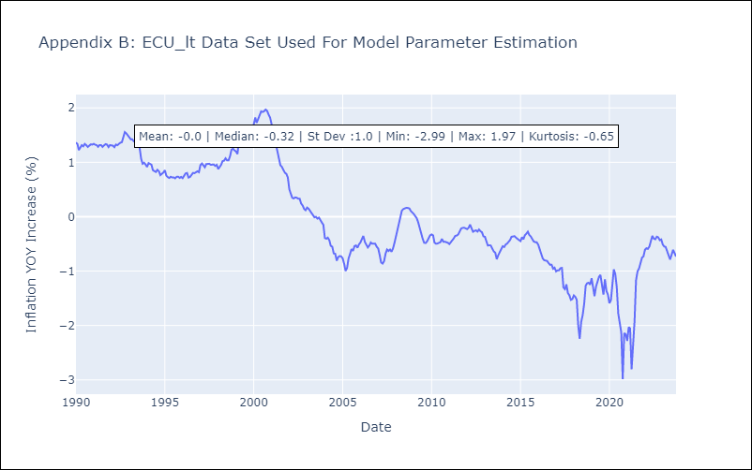

Appendix C: Residuals Analysis
Mean | -0.0
White Noise? | No - Correlation at Lags [ 6 7 8 9 10 11 12]
Normal? | No

PER

PER - Inflation - Next 12 months forecast as of: 2023-10-01

Model | ARIMA - [(1, 1, 0), (0, 0, 1, 12)]
Training Data | 1996-01-01 to 2022-11-01
Test Data | 2022-11-01 to 2023-10-01

Date | Inflation Change YoY % | Lower Bound - 95% Confidence Interval | Upper Bound - 95% Confidence Interval
2023-11-01 | 4.22 | 3.31 | 5.23
2023-12-01 | 4.02 | 2.6 | 5.77
2024-01-01 | 3.88 | 2.09 | 6.25
2024-02-01 | 3.8 | 1.72 | 6.7
2024-03-01 | 3.73 | 1.43 | 7.12
2024-04-01 | 3.75 | 1.24 | 7.63
2024-05-01 | 3.68 | 1.02 | 7.96
2024-06-01 | 3.95 | 1.02 | 8.82
2024-07-01 | 4.13 | 0.97 | 9.53
2024-08-01 | 4.19 | 0.87 | 10.03
2024-09-01 | 4.37 | 0.84 | 10.73
2024-10-01 | 4.72 | 0.89 | 11.72

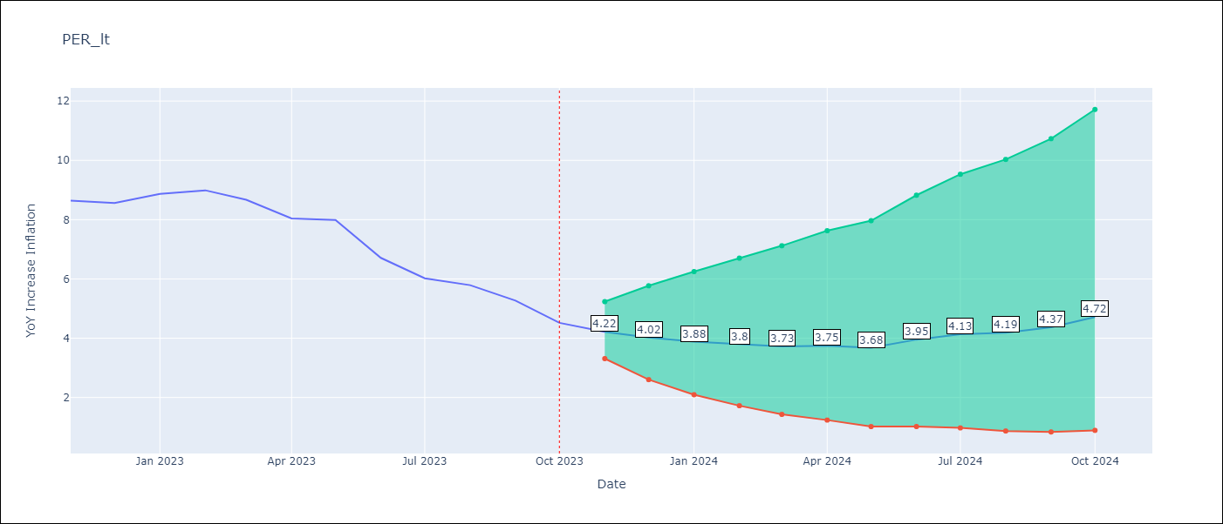

Test Metrics
RMSE | 0.75
Naive RMSE | 0.57
MAPE | 8.99%

Test Predictions
Date | Predicted | Actual
2022-11-01 | 8.5 | 8.64
2022-12-01 | 8.15 | 8.56
2023-01-01 | 8.16 | 8.87
2023-02-01 | 8.06 | 8.99
2023-03-01 | 7.59 | 8.67
2023-04-01 | 7.07 | 8.04
2023-05-01 | 6.86 | 7.99
2023-06-01 | 6.33 | 6.71
2023-07-01 | 6.06 | 6.02
2023-08-01 | 5.95 | 5.79
2023-09-01 | 5.79 | 5.27
2023-10-01 | 5.68 | 4.52

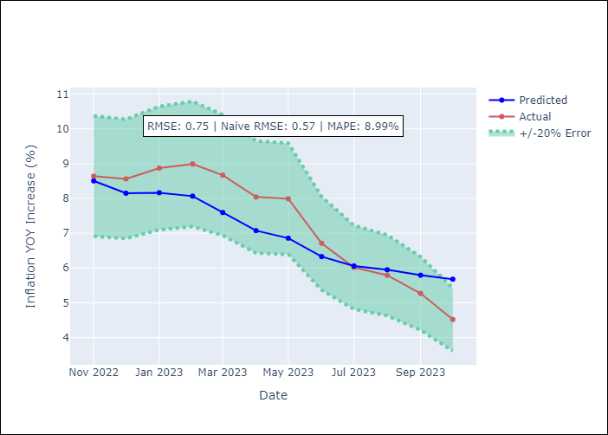

Appendix A: Model Summary
Model | ARIMA(1, 1, 0)x(0, 0, [1], 12)
Sample | 01-01-1996- 10-01-2023
No. of Observations | 334
Terms | P-value (Statistical significance)
ar.L1 | 0.000
ma.S.L12 | 0.000
sigma2 | 0.000
Assumptions | P-value | Interpretation
Ljung-Box (L1) | 0.75
Heteroskedasticity | 0.00
Jarque-Bera | 0.00
Skew | 1.15
Kurtosis | 14.83

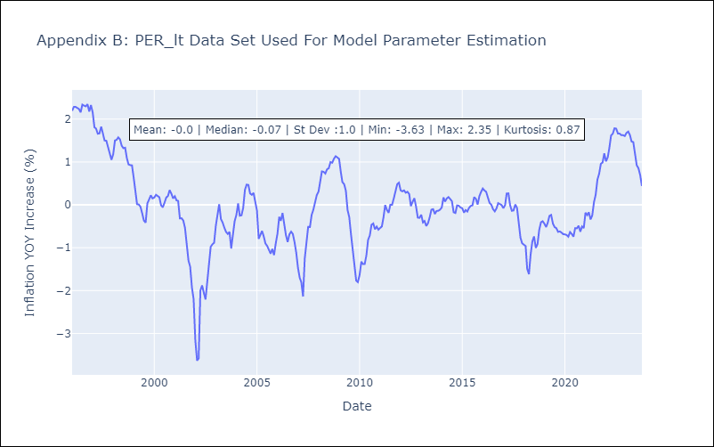

Appendix C: Residuals Analysis
Mean | -0.0
White Noise? | No - Correlation at Lags [6 8]
Normal? | No

PRY
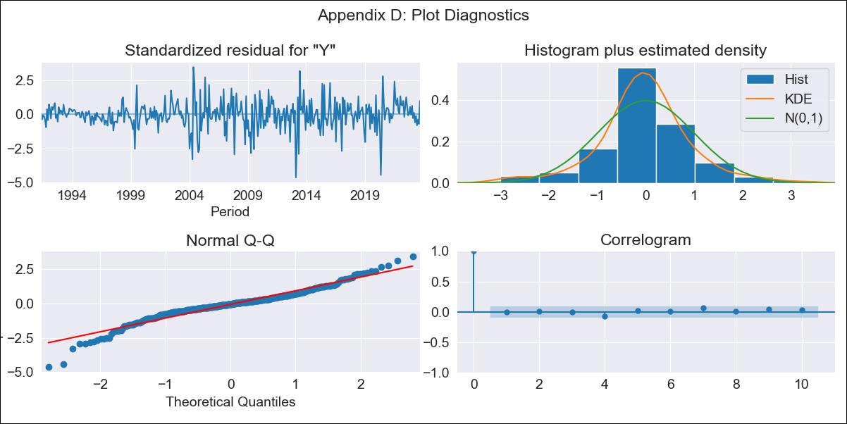
PRY - Inflation - Next 12 months forecast as of: 2023-09-01

Model | ARIMA - [(1, 1, 2), (0, 0, 1, 12)]
Training Data | 1990-01-01 to 2022-10-01
Test Data | 2022-10-01 to 2023-09-01

Date | Inflation Change YoY % | Lower Bound - 95% Confidence Interval | Upper Bound - 95% Confidence Interval
2023-10-01 | 3.67 | 2.6 | 5.12
2023-11-01 | 3.56 | 2.1 | 5.9
2023-12-01 | 3.62 | 1.87 | 6.71
2024-01-01 | 3.49 | 1.62 | 7.07
2024-02-01 | 3.61 | 1.55 | 7.85
2024-03-01 | 3.65 | 1.47 | 8.43
2024-04-01 | 3.91 | 1.49 | 9.49
2024-05-01 | 4.03 | 1.47 | 10.25
2024-06-01 | 4.38 | 1.55 | 11.6
2024-07-01 | 4.61 | 1.57 | 12.69
2024-08-01 | 4.94 | 1.64 | 14.11
2024-09-01 | 4.57 | 1.44 | 13.44

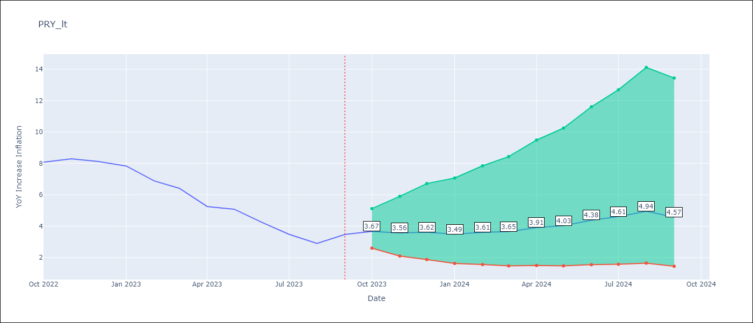

Test Metrics
RMSE | 0.82
Naive RMSE | 0.65
MAPE | 14.62%

Test Predictions
Date | Predicted | Actual
2022-10-01 | 8.04 | 8.07
2022-11-01 | 7.56 | 8.29
2022-12-01 | 7.38 | 8.12
2023-01-01 | 6.47 | 7.83
2023-02-01 | 5.93 | 6.88
2023-03-01 | 5.54 | 6.41
2023-04-01 | 5.05 | 5.25
2023-05-01 | 5.09 | 5.08
2023-06-01 | 4.9 | 4.24
2023-07-01 | 4.4 | 3.48
2023-08-01 | 4.17 | 2.9
2023-09-01 | 4.24 | 3.47

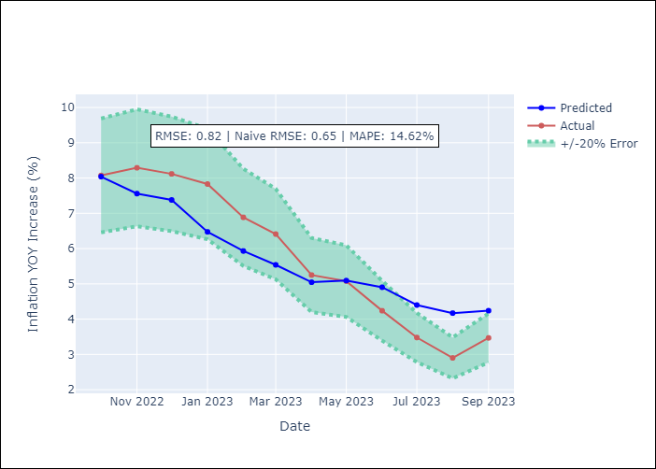

Appendix A: Model Summary
Model | ARIMA(1, 1, 2)x(0, 0, [1], 12)
Sample | 01-01-1990- 09-01-2023
No. of Observations | 405
Terms | P-value (Statistical significance)
ar.L1 | 0.000
ma.L1 | 0.000
ma.L2 | 0.000
ma.S.L12 | 0.000
sigma2 | 0.000
Assumptions | P-value | Interpretation
Ljung-Box (L1) | 0.96
Heteroskedasticity | 0.00
Jarque-Bera | 0.00
Skew | -0.46
Kurtosis | 5.95

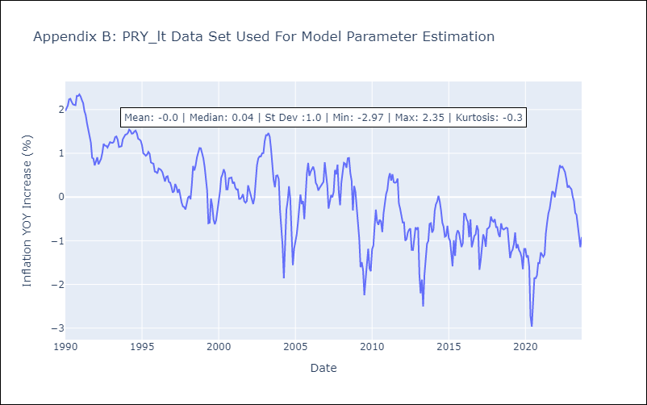

Appendix C: Residuals Analysis
Mean | -0.01
White Noise? | Yes
Normal? | No

URY
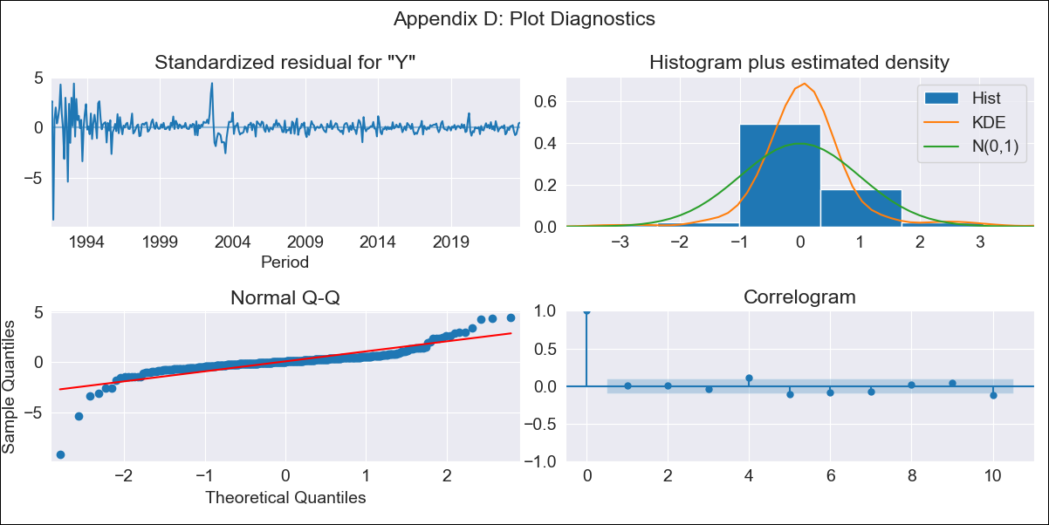
URY - Inflation - Next 12 months forecast as of: 2023-10-01

Model | ARIMA - [(0, 2, 3), (0, 0, 1, 12)]
Training Data | 1990-01-01 to 2022-11-01
Test Data | 2022-11-01 to 2023-10-01

Date | Inflation Change YoY % | Lower Bound - 95% Confidence Interval | Upper Bound - 95% Confidence Interval
2023-11-01 | 4.26 | 2.08 | 6.44
2023-12-01 | 3.88 | 0.39 | 7.37
2024-01-01 | 3.73 | -0.84 | 8.31
2024-02-01 | 3.42 | -2.32 | 9.16
2024-03-01 | 3.06 | -3.92 | 10.05
2024-04-01 | 2.65 | -5.66 | 10.95
2024-05-01 | 2.6 | -7.1 | 12.29
2024-06-01 | 2.86 | -8.3 | 14.02
2024-07-01 | 3.12 | -9.57 | 15.81
2024-08-01 | 3.14 | -11.14 | 17.41
2024-09-01 | 2.8 | -13.13 | 18.73
2024-10-01 | 2.39 | -15.25 | 20.02

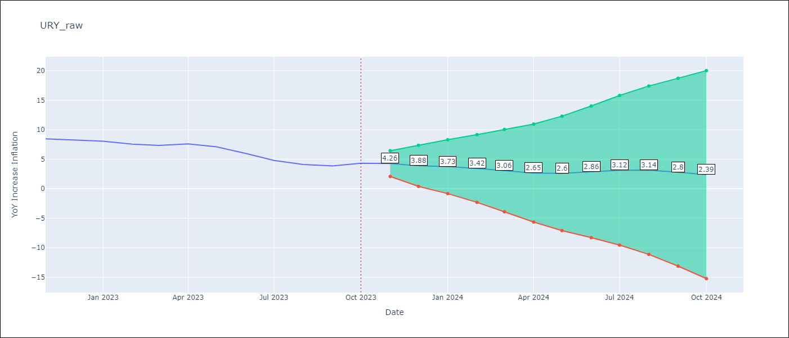

Test Metrics
RMSE | 2.57
Naive RMSE | 0.61
MAPE | 42.99%

Test Predictions
Date | Predicted | Actual
2022-11-01 | 9.03 | 8.46
2022-12-01 | 9.02 | 8.29
2023-01-01 | 9.12 | 8.05
2023-02-01 | 8.68 | 7.55
2023-03-01 | 8.44 | 7.33
2023-04-01 | 8.6 | 7.61
2023-05-01 | 8.6 | 7.1
2023-06-01 | 8.52 | 5.98
2023-07-01 | 8.36 | 4.79
2023-08-01 | 8.3 | 4.11
2023-09-01 | 8.08 | 3.87
2023-10-01 | 8.4 | 4.3

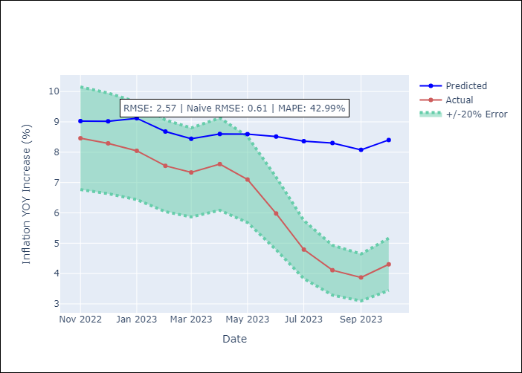

Appendix A: Model Summary
Model | ARIMA(0, 2, 3)x(0, 0, [1], 12)
Sample | 01-01-1990- 10-01-2023
No. of Observations | 406
Terms | P-value (Statistical significance)
ma.L1 | 0.000
ma.L2 | 0.000
ma.L3 | 0.000
ma.S.L12 | 0.000
sigma2 | 0.000
Assumptions | P-value | Interpretation
Ljung-Box (L1) | 0.86
Heteroskedasticity | 0.00
Jarque-Bera | 0.00
Skew | -1.70
Kurtosis | 26.83

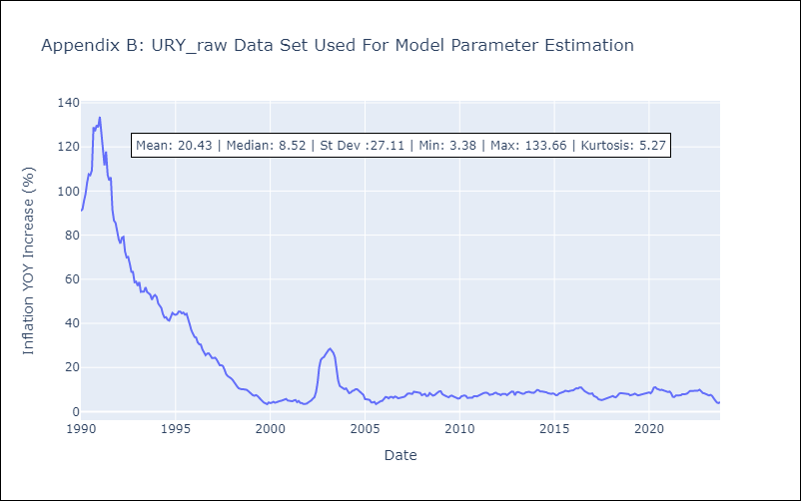

Appendix C: Residuals Analysis
Mean | 0.15
White Noise? | No - Correlation at Lags [ 1 2 3 4 5 6 7 8 9 10 11 12]
Normal? | No

VEN
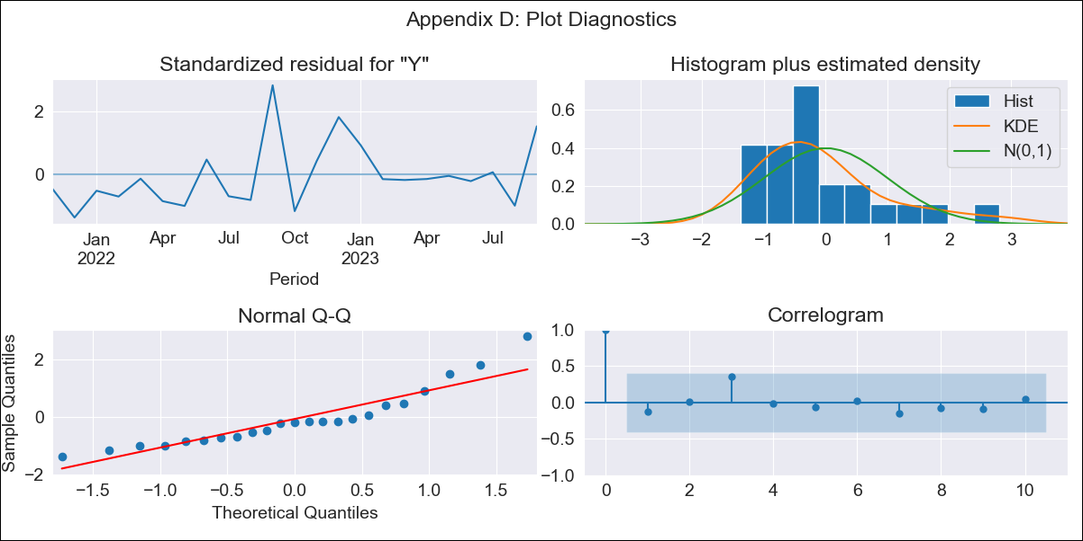
VEN - Inflation - Next 12 months forecast as of: 2023-09-01

Model | ARIMA - [(1, 1, 0), (0, 0, 0, 12)]
Training Data | 2021-09-01 to 2022-10-01
Test Data | 2022-10-01 to 2023-09-01

Date | Inflation Change YoY % | Lower Bound - 95% Confidence Interval | Upper Bound - 95% Confidence Interval
2023-10-01 | 444.35 | 288.8 | 749.06
2023-11-01 | 472.97 | 223.81 | 1390.91
2023-12-01 | 488.52 | 179.11 | 2724.19
2024-01-01 | 496.7 | 148.35 | 5845.14
2024-02-01 | 500.94 | 126.49 | 14861.13
2024-03-01 | 503.12 | 110.33 | 54138.19
2024-04-01 | 504.23 | 97.97 | 601879.84
2024-05-01 | 504.79 | 88.21
2024-06-01 | 505.08 | 80.31
2024-07-01 | 505.23 | 73.77
2024-08-01 | 505.3 | 68.26
2024-09-01 | 505.34 | 63.55

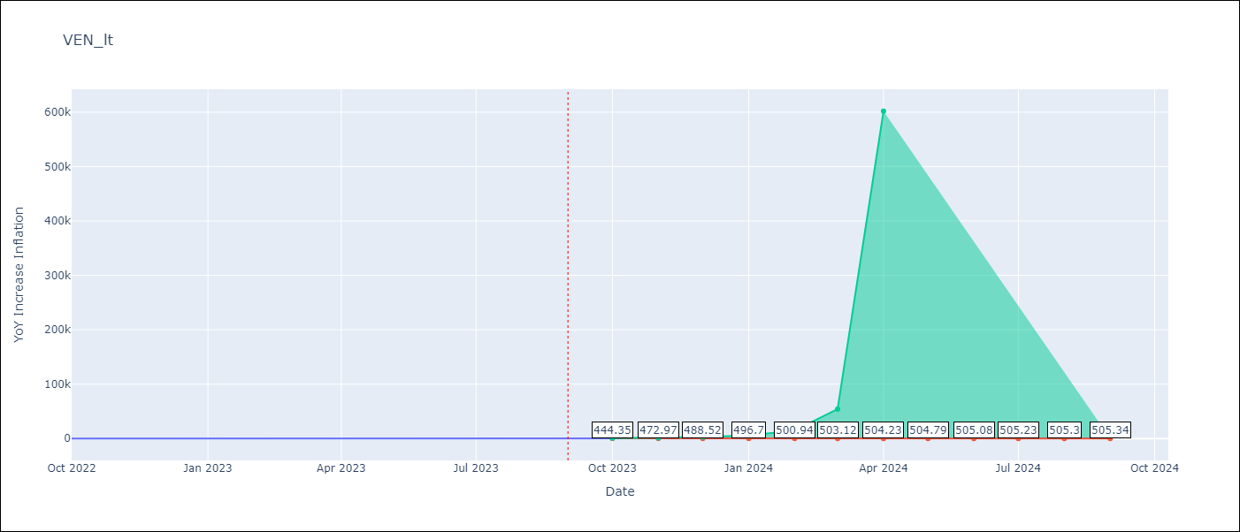

Test Metrics
RMSE | 92.04
Naive RMSE | 57.04
MAPE | 23.69%

Test Predictions
Date | Predicted | Actual
2022-10-01 | 198 | 155.8
2022-11-01 | 231.94 | 165.6
2022-12-01 | 258.02 | 234.08
2023-01-01 | 276.87 | 344.91
2023-02-01 | 289.93 | 415.57
2023-03-01 | 298.72 | 439.61
2023-04-01 | 304.53 | 436.34
2023-05-01 | 308.33 | 429.21
2023-06-01 | 310.78 | 404.37
2023-07-01 | 312.37 | 398.19
2023-08-01 | 313.38 | 317.63
2023-09-01 | 314.03 | 394.76

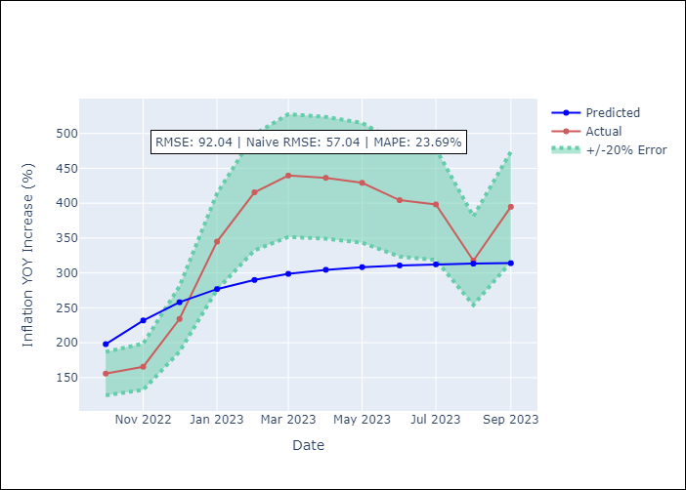

Appendix A: Model Summary
Model | ARIMA(1, 1, 0)
Sample | 09-01-2021- 09-01-2023
No. of Observations | 25
Terms | P-value (Statistical significance)
ar.L1 | 0.019
sigma2 | 0.001
Assumptions | P-value | Interpretation
Ljung-Box (L1) | 0.52
Heteroskedasticity | 0.64
Jarque-Bera | 0.02
Skew | 1.26
Kurtosis | 4.19

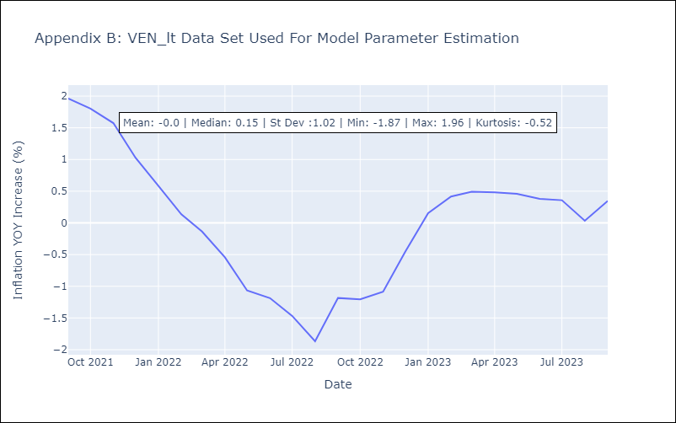

Appendix C: Residuals Analysis
Mean | 0.03
White Noise? | Yes
Normal? | No

